TestCaseTemplate
Google Translate Bug Report
Bug Id | Description | Steps | Test Data | Environment | Expected Result | Actual Result | Evidence | Priority | Severity | Status | Assigned to
GT_B0001 | The translation translates each word separately instead of looking at the whole sentence, causing the meaning to be incorrect. | 1.Select source languge as sinhala 2.Enter sentence that contain multiple words in to the source language section as listed in test data 3.Select translate to language as english 4.Check translated sentence | example-කාලා ඉන්න | QA environment- Chrome browser | The translation should capture the context and meaning of the entire sentence, rather than translating words in isolation. | provide word-by-word translated output that fails to convey the correct meaning of the sentence. | 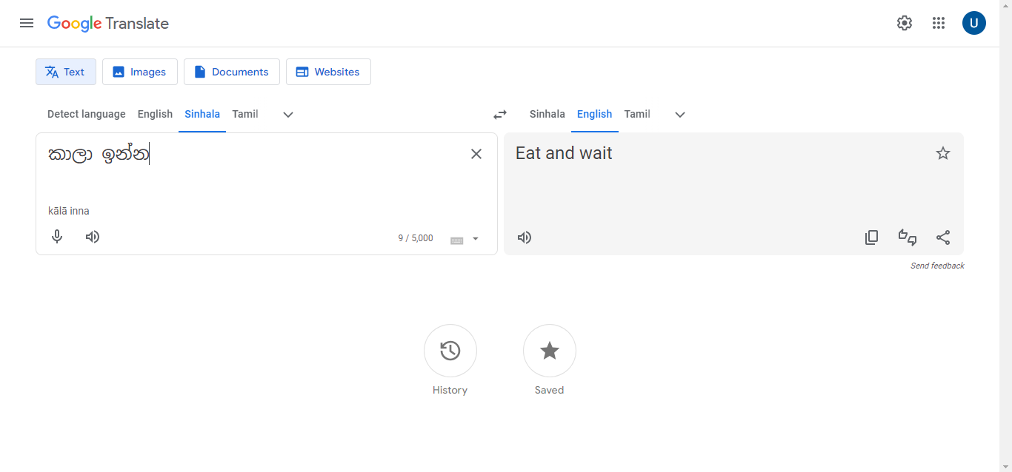 | High | Critical | New
GT_B0002 | incorrect translation of specific terms due to lack of specialized vocabulary, leading to provide mismatched meanings after translation | 1.Select source languge as sinhala 2.Enter specific terms of selected source language in the source language section as listed in the test data 3.Select translate to language as english 4.Check translated word | example-දාගැබ | QA environment- Chrome browser | When translating between languages, the meanings of the specific words should stay the same after translation. | Incorrect translation of specific words causes the meanings to be wrong. | 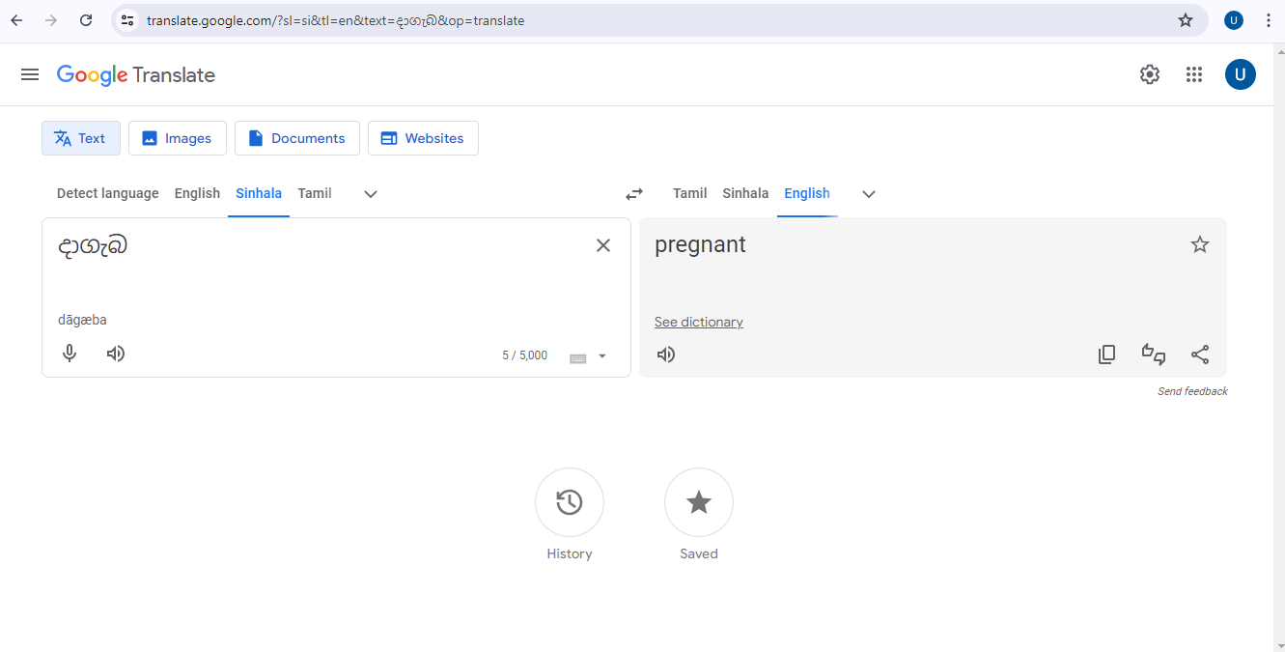 | High | Critical | New
GT_B0003 | Translated sentence is not natural and failed to provide the true meaning of the source sentence | 1.Select source languge as english 2.Enter sentence in the source language section as listed in the test data 3.Select translate to language as sinhala 4.Check translated sentence accurracy | example-The woman who works here is from Japan. | QA environment- Chrome browser | Translated sentences should keep the same meaning as the original, sound natural, and be accurate in the target language. | Translated sencence failed to provide the true meaning of the source sentence | 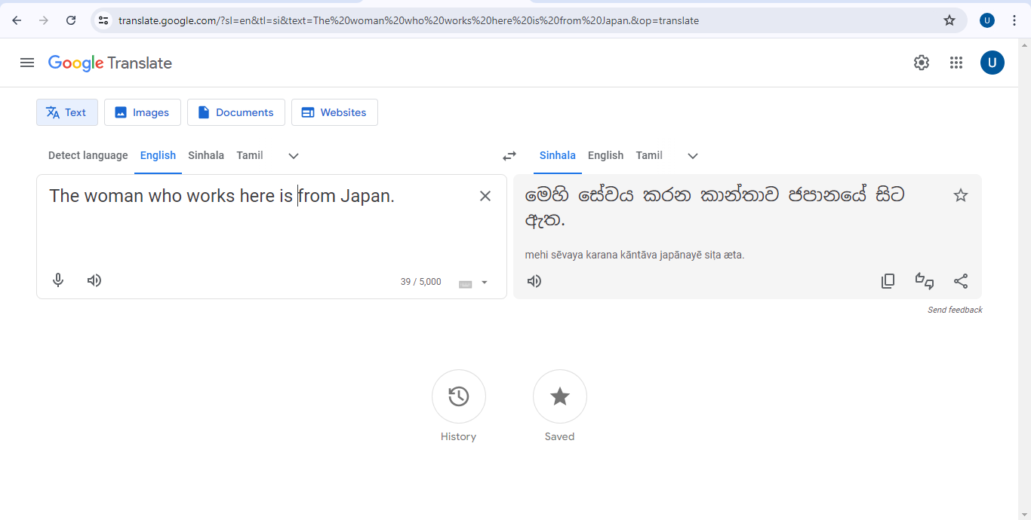 | High | Critical | New
GT_B0004 | Displaying incorrect translation after swapping languages and change source languages | 1.Select source languge as english 2.Enter sentence in the source language section as listed in the test data 3.Select translate to language as Tamil 4.Click swap languages button 5.Change the source language to different languages as to sinhala 6.Chage the translated to language as to sinhala 7.Check the difference between translated sentence and input sentence | Example- The lady working here is from Japan. | QA environment- Chrome browser | input and translated output should not be changed after swapping languages and change input language and output language selections | Displaying incorrect translation after swapping languages and change source languages | 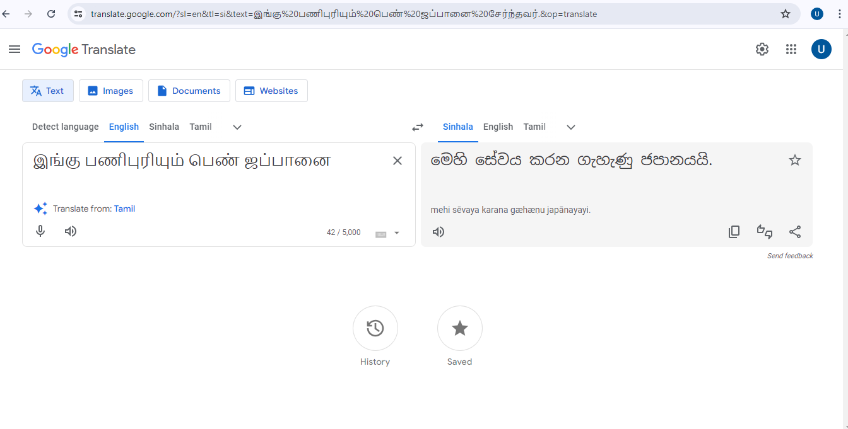 | Low | Average | New
GT_B0005 | Displaying incorrect translation when user change the spaces between words in the sentence | 1.Select source languge as english 2.Enter sentence in the source language section as listed in the test data with the spaces 3.Select translate to language as sinhala 4.Check translated sentence accurracy | Example- The woman who works here is from Japan | QA environment- Chrome browser | Meaning of the translation should not be changed when changing the spaces between words in the source langage input | Meaning of the translation changed when changing the spaces between words in the source language input and output language | 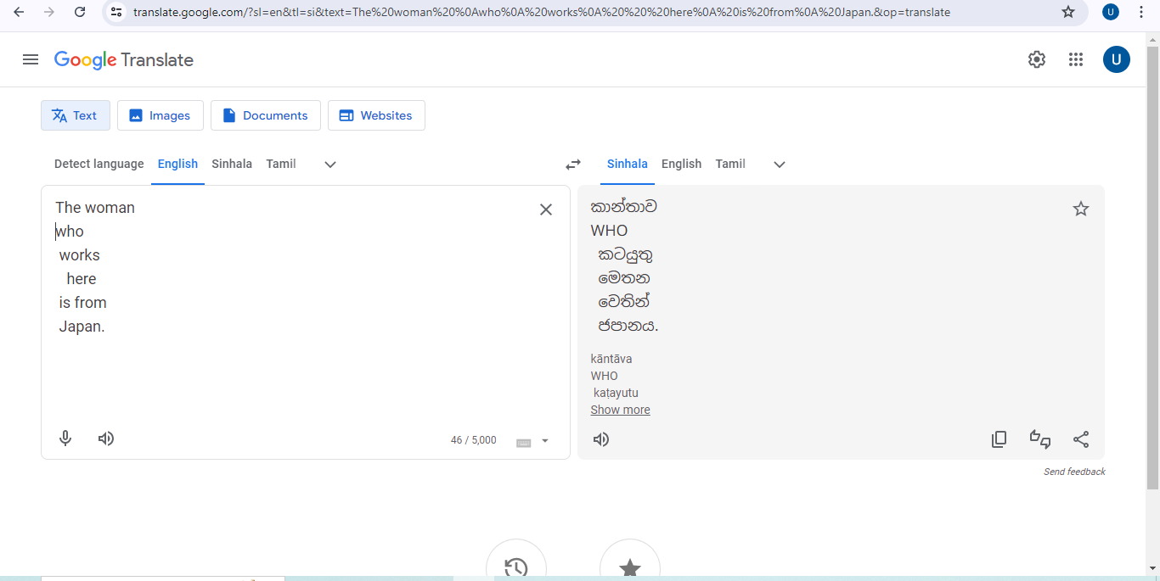 | Medium | Major | New

